Sheet1
 |  | Solution Delivery
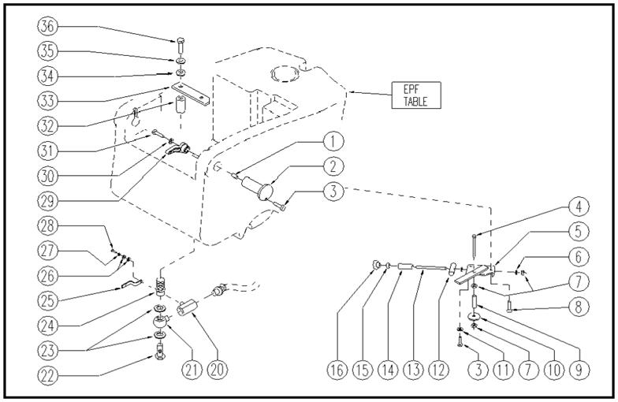

ITEM | SKU | DESCRIPTION | QTY | FROM
1 | E86372 | Insert | 2 | 10/2002
2 | E86574 | pin WS20/24 | 2 | 10/2002
3 | E89473 | Screw | 5 | 10/2002
4 | VTVT37014 | SCREW M6X 90 | 1 | 10/2002
5 | LAFN05743 | SUPPORT | 1 | 10/2002
6 | E86427 | Washer for AS20 | 2 | 10/2002
7 | E86875 | Self-Locking Nut | 3 | 10/2002
8 | E88122 | Screw Watchman 20 | 1 | 10/2002
9 | E89010 | Bushing | 1 | 10/2002
10 | VTRS00278 | WASHER D.8X32 | 1
11 | E86448 | AS20 Washer | 1 | 10/2002
12 | E89103 | Regulator | 1 | 10/2002
13 | E86319 | shaft WS20 | 1 | 10/2002
14 | E89136 | Spacer WS20 | 1 | 10/2002
15 | E86876 | Nut | 1 | 10/2002
16 | E89458 | Squeegee Knob | 1 | 10/2002
20 | E87936 | Solution Control Valve | 1 | 01/2005
21 | E87828 | Articul WS20/24 | 1 | 01/2005
22 | E87814 | Screw WS24 | 1 | 10/2002
23 | E87815 | Washer WS24 | 2 | 10/2002
24 | E86369 | filter | 1 | 10/2002
25 | E89151 | Solution valve lever (WS) | 1 | 01/2005
26 | E86879 | Washer | 2 | 01/2005
27 | E89118 | Washer | 1 | 01/2005
28 | E89117 | Screw | 1 | 10/2002
29 | E87897 | lever WS20/24 FS28/32 | 1 | 10/2002
30 | E86704 | Washer D 6-18 | 3
31 | E86737 | Screw | 2 | 10/2002
32 | E86567 | spacer | 2 | 10/2002
33 | LAFN05630 | BRACKET | 1 | 10/2002
34 | E86878 | Washer | 2 | 10/2002
35 | E89119 | Washer | 2 | 10/2002
36 | VTVT15917 | SCREW M8X50 | 2 | 02/2003

